Test Plan
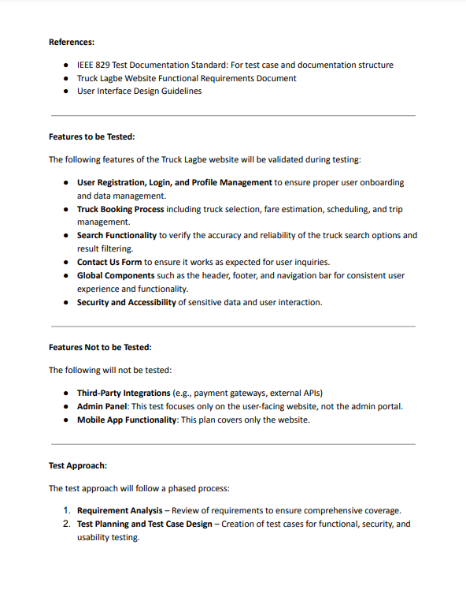
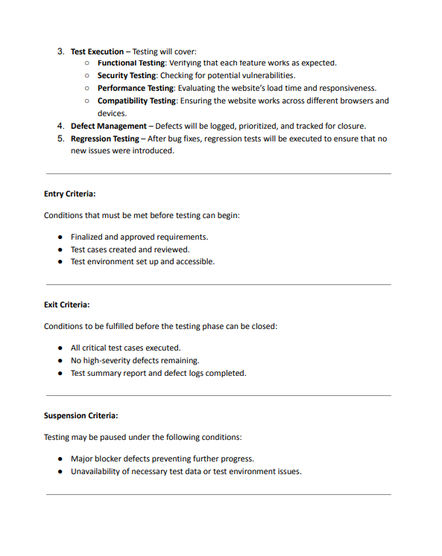
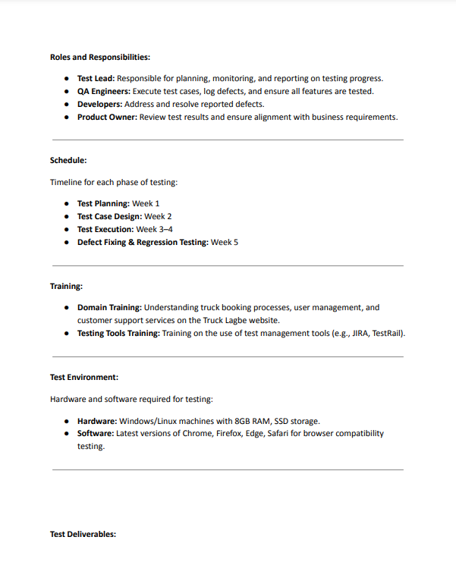
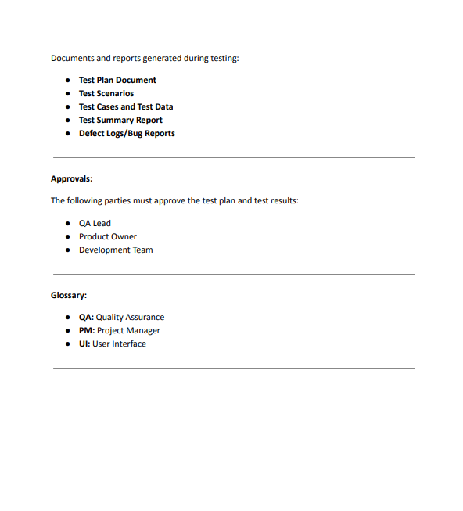
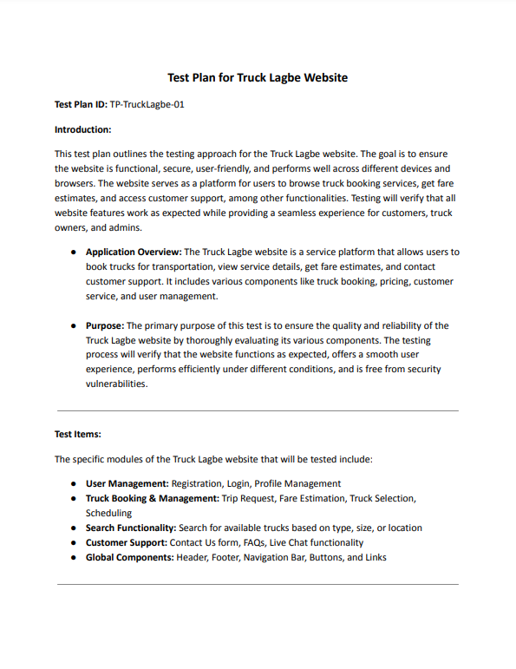
Please click here to display in PDF format.

Mind Maps
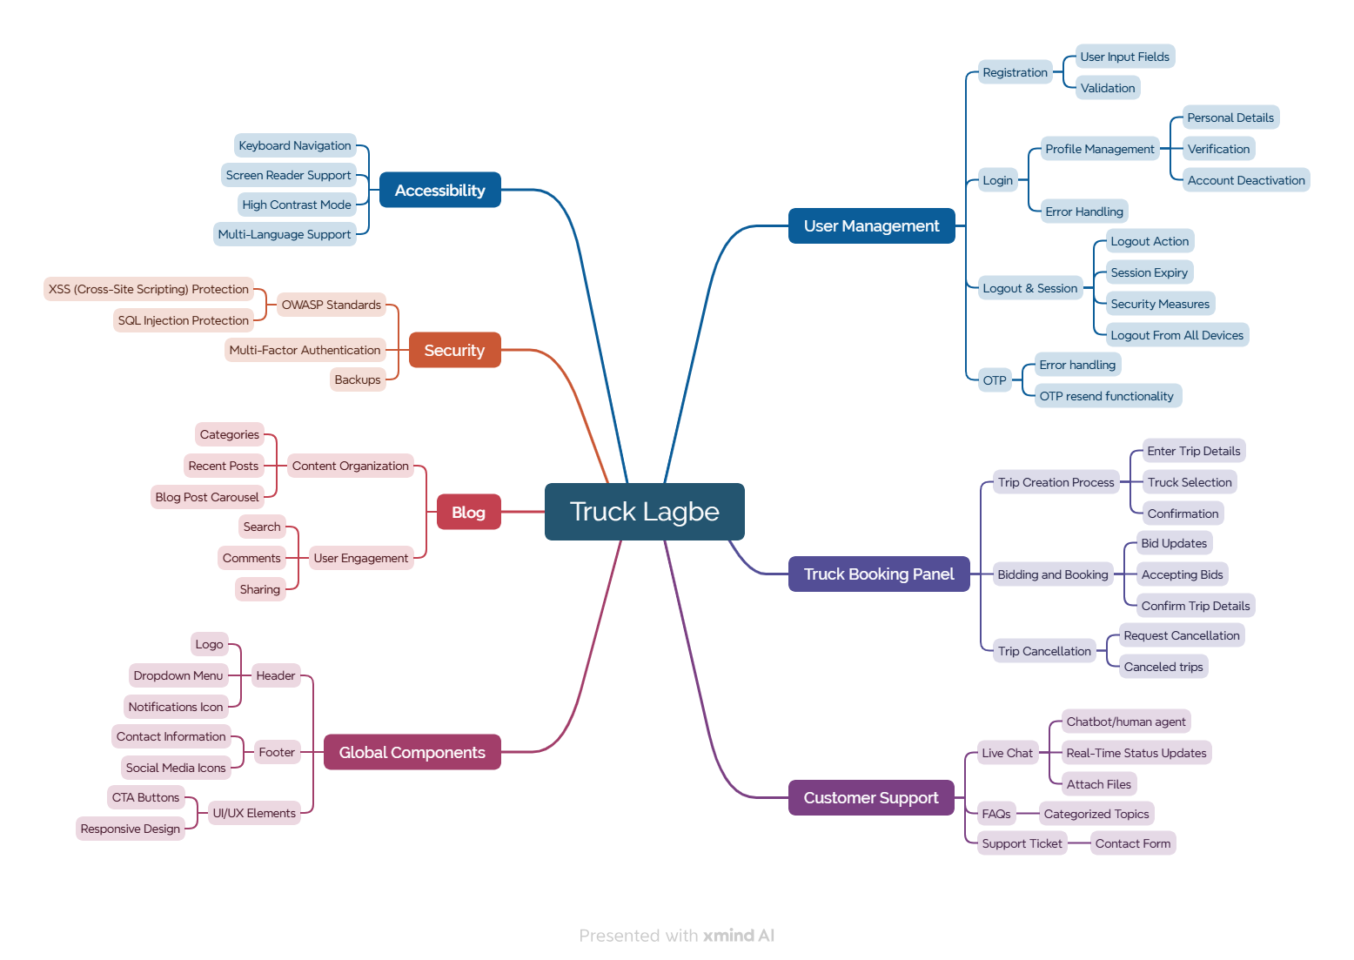
Mind Map of Truck Lagbe Website

Test Summary Report
Testing Environment: Google Chrome Browser

Test Case Report |  |  |  |  |  | Status | Number of Test Cases
Project Name | Bug Lagbe |  |  |  |  | Passed | 76
Module Name | User Management, Truck Booking Panel, Customer Support, Global Components, Blog, Security, Accessibilty |  |  |  |  | Failed | 19
Test Case Version | 1 |  |  |  |  | Not Executed | 11
Written By | Samira Siddiqua |  |  |  |  | Out of Scope | 0
Executed By | Samira Siddiqua |  |  |  |  | Total | 106
Reviewed By | Ehsanul Alam Sabbir

Test Case Results
Test Execution Report
Test Cases | Passed | Failed | Not Executed | Out Of Scope | Total
Test Cases | PASS | FAIL | Not Executed | Out Of Scope | Total TC
 | 76 | 19 | 11 | 0 | 106
Grand Total | 76 | 19 | 11 | 0 | 106

Limitations
Documents |  |  |  | Received | Useful
PRD |  |  |  | No | No
USER STORY |  |  |  | No | No

 | Testing Type in Scope | Description
Yes/ No. Justification (If No): | Functional Testing | This type of testing ignores the internal parts and focuses only on the output to check if it is as per the requirement or not.

Yes/ No. Justification (If No): | Integration Testing | Testing of all integrated modules to verify the combined functionality after integration is termed as Integration Testing.

Yes/ No. Justification (If No): | Negative Testing | Testing having the mindset of “attitude to break” using incorrect data and invalid inputs.

Yes/ No. Justification (If No): | Usability Testing | Test application from user friendliness perspective.

Yes/ No. Justification (If No): | Browser Compatibility Testing | Browser Compatibility Testing is performed for web applications and it ensures that the software can run with the combination of different browser and operating system. This type of testing also validates whether web application runs on all versions of all browsers or not.

Yes/ No. Justification (If No): | Boundary Value Testing | There is an upper and lower boundary for each range and testing is performed on these boundary values.

Yes/ No. Justification (If No): | Risk Based Testing Or Regression Testing | Risk-Based Testing includes testing of highly critical functionality, which has the highest impact on business and in which the probability of failure is very high. Testing an application as a whole for the modification in any module or functionality is termed as Regression Testing.

